CORPOLIBERO
LINEA | CODE | DESCRIPTION | PHOTO | RRP | PCS. | RRP.TOTALE
INSTANT LIFT | 0701197164499 | INSTANT LITFING - SERUM SHOCK 30ML |  | 59.80 € | 564 | 33,727.20 €
INSTANT LIFT | 0701197164512 | INSTANT LITFING - PADS LIFTING - 31 PZ | 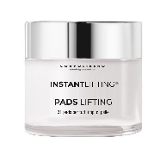 | 67.85 € | 520 | 35,282.00 €
FLASH | 0701197163720 | COMFORT MILK 200ML | 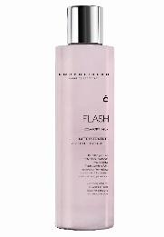 | 23.00 € | 380 | 8,740.00 €
FLASH | 0701197163737 | TONING EXPRESS 200ML | 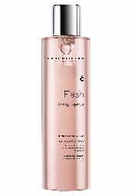 | 23.00 € | 360 | 8,280.00 €
FLASH | 0701197163553 | EYE TREATMENT 15ML |  | 43.70 € | 86 | 3,758.20 €
FLASH | 0701197163515 | ENERGIZING CREAM 50ML | 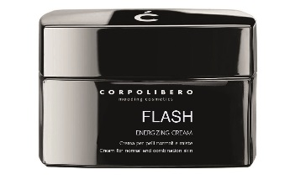 | 41.40 € | 136 | 5,630.40 €
FLASH | 0701197163751 | WHITENING CREAM 50ML | 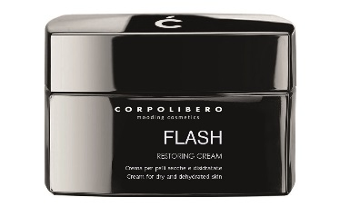 | 69.00 € | 360 | 24,840.00 €
FLASH | 0701197163508 | CLARIFYING GEL 200ML | 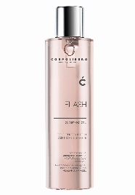 | 39.10 € | 370 | 14,467.00 €
DIFFERENT | 0701197164581 | SOAP 200ML | 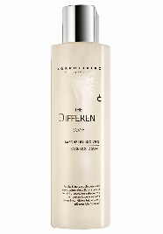 | 23.00 € | 828 | 19,044.00 €
DIFFERENT | 0701197164574 | DIFFERENT CREAM 50ML | 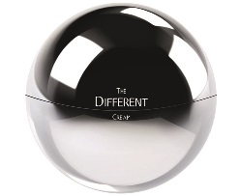 | 36.80 € | 693 | 25,502.40 €
PERFECT | 0701197163799 | MILK 200ml | 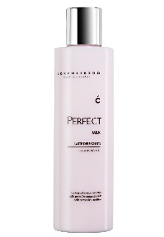 | 25.30 € | 846 | 21,403.80 €
PERFECT | 0701197163782 | TONIC 200ml | 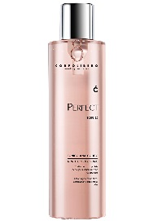 | 25.30 € | 924 | 23,377.20 €
RELIANCE | 0701197163706 | RENOVATING GEL 200ML | 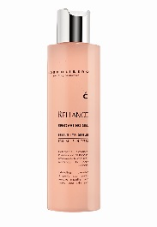 | 39.10 € | 1,270 | 49,657.00 €
RELIANCE | 0701197163614 | MULTI ACTION GOMMAGE 50ML | 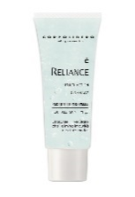 | 41.40 € | 290 | 12,006.00 €
RELIANCE | 0701197163591 | LITCHI CREAM 50ML |  | 75.90 € | 1,092 | 82,882.80 €
RELIANCE | 0701197163584 | ADVANCED CREAM 50ML |  | 75.90 € | 1,092 | 82,882.80 €
RELIANCE | 0701197163638 | EYECODE 15ML |  | 46.00 € | 696 | 32,016.00 €
RELIANCE | 0701197163645 | LIPCODE 15ML | 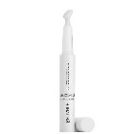 | 50.60 € | 1,694 | 85,716.40 €
THE WHITE | 0701197359642 | DRY SKIN 50ml | 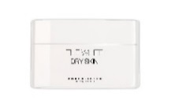 | 80.50 € | 352 | 28,336.00 €
THE WHITE | 0701197359659 | NORMAL SKIN 50ml | 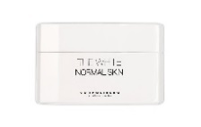 | 80.50 € | 379 | 30,509.50 €
THE WHITE | 0701197359666 | BRIGHT SERUM 30ml | 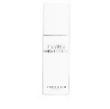 | 86.25 € | 488 | 42,090.00 €
THE WHITE | 0701197359673 | EYE CONTOUR 15ml | 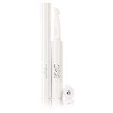 | 69.00 € | 676 | 46,644.00 €
THE WHITE | 0701197359680 | MILK 200ml | 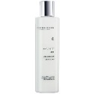 | 34.50 € | 880 | 30,360.00 €
THE WHITE | 0701197359697 | TONIC 200ml | 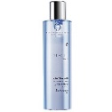 | 34.50 € | 860 | 29,670.00 €
MAXIFILLER | 0701197164239 | MAXIFILLER 100 TONIC LOTION 400ML | 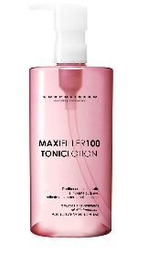 | 43.70 € | 634 | 27,705.80 €
MAXIFILLER | 0701197164246 | MAXIFILLER 100 CLEANSING MILK 400ML | 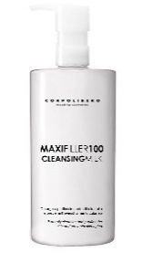 | 44.85 € | 618 | 27,717.30 €
MAXIFILLER | 0701197164253 | MAXIFILLER 100 DAILY CREAM 100ML | 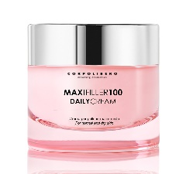 | 86.25 € | 152 | 13,110.00 €
MAXIFILLER | 0701197164116 | MAXIFILLER 100 NOURISHING CREAM 100ML |  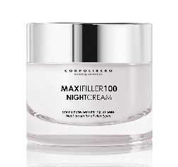 | 86.25 € | 130 | 11,212.50 €
MAXIFILLER | 0701197164123 | MAXIFILLER 100 NIGHT CREAM 100ML |  | 89.70 € | 110 | 9,867.00 €
MAXIFILLER | 0701197164130 | MAXIFILLER 100 EYEFILL 30ML | 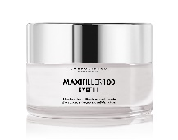 | 74.75 € | 352 | 26,312.00 €
MAXIFILLER | 0701197164192 | MAXIFILLER 100 SCRUB 100ML | 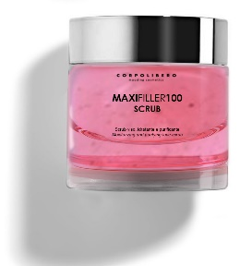 | 55.20 € | 378 | 20,865.60 €
MAXIFILLER | 0701197164208 | MAXIFILLER 100 PULP FILL 50ML | 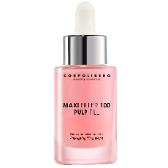 | 87.40 € | 104 | 9,089.60 €
BOTOAGE | 0701197358959 | TONIC LOTION 200ML | 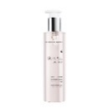 | 27.60 € | 724 | 19,982.40 €
BOTOAGE | 0701197358911 | SERUM FILLER 50ML | 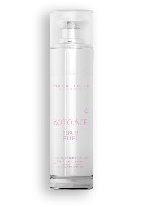 | 101.20 € | 250 | 25,300.00 €
BOTOAGE | 0701197358928 | DRY SKIN 50ml | 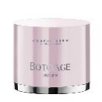 | 110.40 € | 495 | 54,648.00 €
BOTOAGE | 0701197358935 | NORMAL SKIN 50ml | 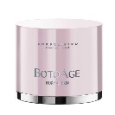 | 110.40 € | 930 | 102,672.00 €
BOTOAGE | 0701197358966 | EYE LIFT 15ML | 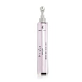 | 69.00 € | 664 | 45,816.00 €
BOTOAGE | 0701197358980 | MOUSSE-ACQUA MICELLARE 150ML | 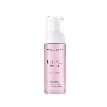 | 27.60 € | 676 | 18,657.60 €
BODY-DRAIN | 0701197163813 | BODY-DRAIN SCRUB 200ML |  | 40.25 € | 1,760 | 70,840.00 €
BODY-DRAIN | 0701197163850 | BODY-DRAIN DRAIN CREAM 150ML |  | 46.00 € | 1,760 | 80,960.00 €
BODY-DRAIN | 0701197163867 | BODY-DRAIN LIGHT LEGS CREAM 150ML | 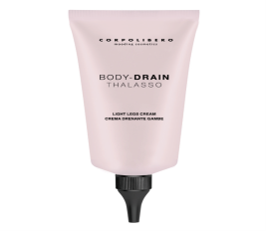 | 46.00 € | 1,656 | 76,176.00 €
HYDRAZONE | 0701197163874 | HYDRAZONE PAPAYA SCRUB 500ML |  | 42.55 € | 1,180 | 50,209.00 €
HYDRAZONE | 0701197163881 | HYDRAZONE MANGO SCRUB 500ML |  | 42.55 € | 1,150 | 48,932.50 €
HYDRAZONE | 0701197163898 | HYDRAZONE SMOOTH BODY CREAM 150ML |  | 34.50 € | 1,760 | 60,720.00 €
SLIM CELL | 0701197164291 | CREMA INTENSIVA ANTI-CELLULITE | 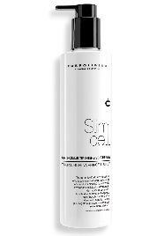 | 59.80 € | 760 | 45,448.00 €
MESOSLIM | 0701197359079 | MESOSLIM BODY SCRUB 500ml | 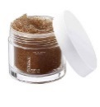 | 46.00 € | 1,724 | 79,304.00 €
MESOSLIM | 0701197359086 | MESOSLIM BELLY AND HIPS 250ml |  | 46.00 € | 1,820 | 83,720.00 €
MESOSLIM | 0701197359093 | MESOSLIM REMODELING CREAM 300ml |  | 57.50 € | 1,734 | 99,705.00 €
MESOSLIM | 0701197359109 | MESOSLIM STRONGLY CREAM 3000ml |  | 138.00 € | 1,736 | 239,568.00 €
ELASTIK | 0701197163676 | ANTI-AGEING CREAM |  | 66.70 € | 1,825 | 121,727.50 €
ELASTIK | 0701197163652 | SKIN FIRMING CREAM |  | 62.10 € | 1,825 | 113,332.50 €
ELASTIK | 0701197163669 | STRECTCH MARK CREAM |  | 64.40 € | 1,848 | 119,011.20 €
ELASTIK | 0701197358805 | PUSH UP CREAM | 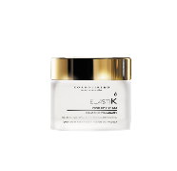 | 78.20 € | 1,856 | 145,139.20 €
ELASTIK | 0701197358812 | BUST LIFT | 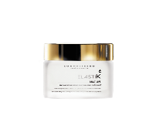 | 75.90 € | 1,824 | 138,441.60 €
PHISIODREN | 0701197164505 | REDUCING CREAM |  | 66.70 € | 1,222 | 81,507.40 €
PHISIODREN | 0701197164499 | LEGS | 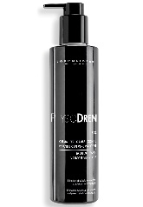 | 39.10 € | 180 | 7,038.00 €
 |  |  |  |  | 49,673 | 2,851,558.40 €

